Rev 0
ITEM # | Type of comment | Severity (Min 1, Max 5) | Submitted By (Name/Initials) | Date | Description / Comment / Question | EGP S/N | Part Revision | Decision | Notes for Decision | Owner of the Investigation | Approved Change Implemented by | Date | Checked by | Date | Comments/Notes | Checked Status (OK / NOT OK)
1 | D | 3 | DR | 2025-07-28 | GND_SW[0-3] should have a 0805 footprint with 2k2 in series |  |  | A |  |  | MJ | 2025-08-20
2 | D | 5 | DR | 2025-07-28 | RS485 might not work, as the N-IDC will clamp voltages. Also, removing the TVS is not a solution, as the voltage that will come in through TMUX-AD5593 will destroy them |  |  | A | Need to verify on R0. Can another TSV be used? Use no mount on N-Top and use safeguard on fixture. |  | MJ | 2025-08-27
3 | D | 4 | DR | 2025-07-28 | Should add RC filter to AMUX+/- Think about the charge injection when adding it |  |  | A | 1k 100n footprints |  | MJ | 2025-08-27
4 | D | 5 | DR | 2025-07-28 | N-TOP will clamp VLOAD and VPSU signals! (>5V) |  |  | A | Use no mount on N-Top. |  | MJ | 2025-08-27
5 | D | 5 | DR | 2025-07-28 | MIC/Line in will not work, as they can go below zero. Needs a diff amplifier/rectifier solution |  |  | A | Mux into LSHM XPIO via MUX as on Sparrow N-Top (+/-18V is now available) |  | MJ | 2025-08-27
6 | D | 5 | DR | 2025-07-30 | C12, C15, C20, C29, C53 = 2n2 |  |  | A |  |  | MJ | 2025-08-21
7 | D | 5 | DR | 2025-07-30 | No 0603 components until asking DR first |  |  | A
8 | D | 4 | DR | 2025-07-30 | L3 = SRP7028AA-100M |  |  | A |  |  | MJ | 2025-08-21
9 | D | 4 | DR | 2025-07-30 | Q1 = 2N7002DW |  |  | A |  |  | MJ | 2025-08-21
10 | D | 4 | DR | 2025-07-30 | R107, R83, R108, R84, R109, R86 NM |  |  | A |  |  | MJ | 2025-08-21
11 | D | 4 | DR | 2025-07-30 | R112, R95, R97, R99, R124, R101, R105 NM |  |  | A |  |  | MJ | 2025-08-21
12 | D | 4 | DR | 2025-07-30 | All 604 ohm => 680 ohm |  |  | A |  |  | MJ | 2025-08-21
13 | D | 4 | DR | 2025-07-30 | R100 = 10k |  |  | A |  |  | MJ | 2025-08-21
14 | D | 4 | DR | 2025-07-30 | R85=10k, R54=1k |  |  | R | Recalculated all the feedback resistors
15 | D | 4 | DR | 2025-07-30 | R113=36k, R115=22k |  |  | R | Recalculated all the feedback resistors
16 | D | 4 | DR | 2025-07-30 | R114=36k, R116=82k |  |  | R | Recalculated all the feedback resistors
17 | D | 4 | DR | 2025-07-30 | R81=22k, R106=3k |  |  | R | Recalculated all the feedback resistors
18 | D | 4 | DR | 2025-07-30 | R82=82k,R87=4k3 |  |  | R | Recalculated all the feedback resistors
19 | D | 4 | DR | 2025-07-30 | R110,R111 = 3k |  |  | A |  |  | MJ | 2025-08-21
20 | D | 4 | DR | 2025-07-30 | R118,R166 = 1k |  |  | A |  |  | MJ | 2025-08-21
21 | D | 5 | MJ | 2025-07-30 | MPIO_[4:7] not connected. Where should they go? |  |  | R | Not used
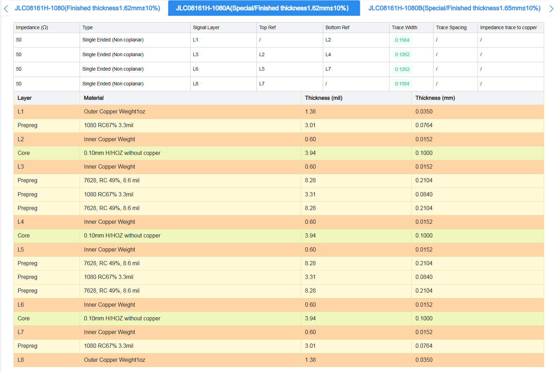
22 | C | 3 | MJ | 2025-07-30 | Update boarders and revision |  |  | A |  |  | MJ | 2025-08-20
23 | D | 3 | MJ | 2025-07-30 | Check RES0402 footprint, seem to have to big manufactoring outline. |  |  | A |  |  | MJ | 2025-08-21
24 | D | 3 | MJ | 2025-07-31 | Naming of power rails are confusing. Change names so that all limited rails have ending LIM. |  |  | R | Keep as is
25 | D | 5 | MJ | 2025-07-31 | The pinning to IDC-Top is wrong, see fixt_elect.xlsx (tab Rev0). Change to communicated pinnout.
26 | Q | 5 | MJ | 2025-07-31 | Both SLV_IOVOLT and MSTR_IOVOLT is connected to VIO. Is this correct? |  |  | R | Yes, this is correct
27 | D | 5 | MJ | 2025-07-31 | SRQ4n goes up to IDC N-Yop. It should not be connected. |  |  | A |  |  | MJ | 2025-08-21
28 | D | 4 | MJ | 2025-07-31 | Change layer 4 and 5 to minimize power coupling to analog traces. |  |  | R | Does not help, other layer will reference in that case.
29 | D | 5 | MJ | 2025-07-31 | VIO not short protected since soursed by 5VA, should have been 5V? |  |  | A | Add PTC, look at IDC N-Top |  | MJ | 2025-08-27
30 | D | 3 | MJ | 2025-07-31 | Name $ nets |  |  | A |  |  | MJ | 2025-08-27
31 | D | 5 | MJ | 2025-08-01 | VADJ not used! |  |  | A | Add in 80-89 |  | MJ | 2025-08-27
32 | D | 5 | MJ | 2025-08-01 | Add series termination for UART_RXD |  |  | A |  |  | MJ | 2025-08-21
33 | D | 5 | MJ | 2025-08-05 | Update Library with new parts |  |  | A |  |  | MJ | 2025-08-20
34 | D | 5 | MJ | 2025-08-05 | Add fiducials in schematic |  |  | A |  |  | MJ | 2025-08-20
35 | D | 5 | MJ | 2025-08-06 | Add proper PDS decoupling |  |  | A |  |  | MJ | 2025-08-21
36 | D | 4 | MJ | 2025-08-06 | Add testpoints
37 | D | 5 | MJ | 2025-08-04 | Added +/-18V, VCM_ADC[1:2] and 5VA in LSHM for external calibration in N-Top, MUST disconnect these here! |  |  | R | Used for new analog mux
38 | D | 5 | MJ | 2025-08-12 | Missing feedback wire from pin 1 to pin 4 on OP U28 |  |  | A |  |  | MJ | 2025-08-21
39 | D | 3 | DR | 2025-08-15 | Holes for DSUB retention pins should be adjusted to how the connector actually looks like |  |  | A |  |  | MJ | 2025-08-27
40 | D | 5 | DR | 2025-08-16 | The panasonic connectors are misplaced! |  |  | A |  |  | MJ | 2025-08-21
41 | D | 2 | DR | 2025-08-16 | The GPIOs GP4.4-7 can be free'd up to something else (not needed) |  |  | A |  |  | MJ | 2025-08-27
42 | Q | 4 | DR | 2025-08-17 | Will the drive current be sufficient on the SSR relays (ISOM8600)? Spec says trig current is >0.8mA@25degC. I/O Voltage is 3V3 and two diodes are in series (typ 1V5 Vf per diode, leaving just 0.3V over resistor. This would equate ~375 ohm in series for min turn-on. Should check if 100 ohm works, or connect the diodes in parallel instead |  |  | R | Works, but a connection in parallel would be safer
43 | D | 5 | DR | 2025-08-18 | Place ESD protection on DB25, DB9, Samtec connectors |  |  | A | Add diodes to +-18V for DB9 |  | MJ | 2025-08-27
44 | D | 3 | MJ | 2025-08-20 | Add NC symbols for unconnected signals |  |  | A |  |  | MJ | 2025-08-25
45 | D | 4 | MJ | 2025-08-20 | Change U18 (MAX232D) to the smaller package , as used on Fixture Link |  |  | A |  |  | MJ | 2025-08-21
46 | Q | 3 | MJ | 2025-08-21 | Do we need VREF to go to DUT and M.2s? |  |  | R | Keep as is
47 | Q | 3 | MJ | 2025-08-21 | Do we need VREF to go to IDC N-Top Ctrl 3V3 (pin9)? |  |  | R | Keep as is
48 | D | 5 | MJ | 2025-08-21 | Reference Audio signals to analog ground |  |  | A |  |  | MJ | 2025-08-25
49 | D | 5 | MJ | 2025-08-21 | Add decoupling for +/-18V |  |  | A |  |  | MJ | 2025-08-25
50 | D | 5 | DR | 2025-08-23 | Duplicate PU for I2C1: R77/R78 and R11/R12 |  |  | A |  |  | MJ | 2025-08-25
51 | D | 5 | DR | 2025-08-23 | REF3425 requires a 10uF decoupling right at the OUT-pin! (will oscillate otherwise) |  |  | A |  |  | MJ | 2025-08-25
52 | D | 2 | DR | 2025-08-23 | U28 not needed (the ref can drive 10mA itself) |  |  | A | Removed |  | MJ | 2025-08-25
53 | D | 5 | DR | 2025-08-24 | TMUX1109 (EGP1377), wrong footprint (UQFN pinout used on TSSOP package) |  |  | A |  |  | MJ | 2025-08-25
54 | D | 4 | DR | 2025-08-24 | Place GSOT05 over SDAx_P/N to protect from large voltage spikes upon insertion (kills PCA9616). The product isn't hot plug, but we know the user will do it anyway |  |  | A |  |  | MJ | 2025-08-27
55 | D | 5 | DR | 2025-08-24 | Latch works (kind of). It works on active high polarity, but I don't see how it would work with active low polarity. It seems it can start to oscillate, don't know what to do to prevent it from oscillating |  |  | A | Redesigned |  | MJ | 2025-08-27
56 | D | 4 | MJ | 2025-08-25 | VMON_12V is not measuring the same as IMON_12V, etc |  |  | A | Measure outputs |  | MJ | 2025-08-27
57 | D | 5 | MJ | 2025-08-25 | Check that M.2 Active Load connector is on top |  |  | A |  |  | MJ | 2025-08-27
58 | D | 5 | MJ | 2025-08-25 | Add control for U12 |  |  | A |  |  | MJ | 2025-08-27
59 | D | 5 | MJ | 2025-08-25 | Add shield pins for dsub9 and 25 |  |  | A |  |  | MJ | 2025-08-27
60 | D | 5 | MJ | 2025-08-25 | Dsub9 shield should connect to AGND |  |  | A |  |  | MJ | 2025-08-27
61 | D | 5 | MJ | 2025-08-25 | Add precence of LSHM pullup to GPIO |  |  | A |  |  | MJ | 2025-08-27
62
63
64
65
66
67
68
69
70
71
72
73
74
75
76
77
78
79
80
81
82
83
84
85
86
87
88
89
90
91
92
93
94
95
96
97
98
99
100
101
102
103
104
105
106
107
108
109
110
111
112
113
114
115
116
117
118
119
120
121
122
123
124
125
126
127
128
129
130
131
132
133
134
135
136
137
138
139
140
141
142
143
144
145
146
147
148
149
150
151
152
153
154
155
156
157
158
159
160
161
162
163
164
165
166
167
168
169
170
171
172
173
174
175
176
177
178
179
180
181
182
183
184
185
186
187
188
189
190
191
192
193
194
195
196
197
198
199
200
201
202
203
204
205
206
207
208
209
210
211
212
213
214
215
216
217
218
219
220
221
222
223
224
225
226
227
228
229
230
231
232
233
234
235
236
237
238
239
240
241
242
243
244
245
246
247
248
249
250
251
252
253
254
255
256
257
258
259
260
261
262
263
264
265
266
267
268
269
270
271
272
273
274
275
276
277
278
279
280
281
282
283
284
285
286
287
288
289
290
291
292
293
294
295
296
297
298
299
300
301
302
303
304
305
306
307
308
309
310
311
312
313
314
315
316
317
318
319
320
321
322
323
324
325
326
327
328
329
330
331
332
333
334
335
336
337
338
339
340
341
342
343
344
345
346
347
348
349
350
351
352
353
354
355
356
357
358
359
360
361
362
363
364
365
366
367
368
369
370
371
372
373
374
375
376
377
378
379
380
381
382
383
384
385
386
387
388
389
390
391
392
393
394
395
396
397
398
399
400
401
402
403
404
405
406
407
408
409
410
411
412
413
414
415
416
417
418
419
420
421
422
423
424
425
426
427
428
429
430
431
432
433
434
435
436
437
438
439
440
441
442
443
444
445
446
447
448
449
450
451
452
453
454
455
456
457
458
459
460
461
462
463
464
465
466
467
468
469
470
471
472
473
474
475
476
477
478
479
480
481
482
483 | x | x | x | x | x | x | x | x | x | x | x | x | x | x | x | x

Rev 1
Product Name |  | Sparrow Fixture Electronics
ESH # |  | ESH10000540
Revision |  | Rev 1

 | Description |  |  |  |  | Affected Part |  | Decision for Change |  |  | Design Change Progress and Review (if Implemented)
 | D | Design |  |  |  |  |  | A | Approve |  |  |  |  |  |  | NOT OK
 | C | Cosmetic |  |  |  |  |  | R | Reject / Close |  |  |  |  |  |  | OK
 | Q | Question |  |  |  |  |  | I | Investigate
 | S | Suggestion |  |  |  |  |  | D | Duplicate
 | IC | Implementation Comments / Choices |  |  |  |  |  | P | Postpone to later version or revision
 |  |  |  |  |  |  |  | V | Verify through measurements
ITEM # | Type of comment | Severity (Min 1, Max 5) | Submitted By (Name/Initials) | Date | Description / Comment / Question | EGP S/N | Part Revision | Decision | Notes for Decision | Owner of the Investigation | Approved Change Implemented by | Date | Checked by | Date | Comments/Notes | Checked Status (OK / NOT OK)
1 | C | 2 | MJ | 2025-09-15 | Power switch for 3V3_LIM has the fault net name FAULTn_3V3, IMON_3V3 and EXT_3V3_EN. Change name! Power switch for 3V3_LIM_B has the fault net name FAULTn_1V8, IMON_1V8 and EXT_1V8_EN. Change name! Power switch for 6V5_LIM has the fault net name FAULTn_VADJ, IMON_VADJ and EXT_VADJ_EN. Change name! |  |  | A | Done
2 | D | 3 | MJ | 2025-09-15 | Filter caps C[54:61] are on the wrong side of the resistors. Also move to other side of AMUX so that only two filters are needed. |  |  | A | Done
3 | D | 2 | MJ | 2025-09-15 | Set R120 and R121 to NM |  |  | A | Done
4 | D | 2 | MJ | 2025-09-15 | VMON_3V3 have two series resistors, remove or set 0 ohm for R130 |  |  | A | Done
5 | C | 1 | MJ | 2025-09-17 | Silk for R108 has incorrect location |  |  | A | Done
6 | D | 5 | MJ | 2025-09-17 | LSHM Mapping incorrect, see LSHM_Mapping.xlsx |  |  | A | Done
7 | D | 2 | MJ | 2025-09-19 | Add GSOT 3V3 for LATCH 0 och 1. Then 5V or 12V may be used as input. |  |  | A | Done
8 | D | 3 | MJ | 2025-09-19 | The opto coupler do not get enough current to saturate. Use them in parallell instead. |  |  | A | Done
9 | D | 4 | DR | 2025-09-20 | Replace MAX232EIPWR with TRSF3232EIPWR (SN75C3232) (pin compatible, but 1MBPS) |  |  | A | Done
10 | D | 3 | MJ | 2025-09-21 | Add pulldown for USR_GPIOs 100k. |  |  | A | Done
11 | D | 3 | MJ | 2025-09-21 | Mount the FE MPIO pulldowns but change value to 1M |  |  | A | Done
12 | D | 2 | MJ | 2025-09-23 | Add ESD diodes for the signals where one pin must be lifted on N-Top so that these can be de-populated on N-Top |  |  | A | Done
13 | D | 3 | MJ | 2025-09-24 | 5V and 12V in IDC N-top should be system rails |  |  | A | Done
14 | D | 4 | MJ | 2025-09-25 | Use ALM2403 for VADJ and VIO |  |  | A | Added ALM2403
15 | D | 5 | MJ | 2025-09-25 | The 1V8LIM is to high (the LDO requires a minimum current of 10mA). Change R114 to 130R and R116 to 56R |  |  | A | Done
16 | D | 4 | MJ | 2025-09-29 | Add ADS7828 for Audio Load and RS484 differential measurments. Get rid of the two MUXes, U12 and U21, and propagate analog ch7-8 directly to LSHM. |  |  | A | Done
17 | C | 5 | MJ | 2025-09-29 | Update Revision |  |  | A | Done
18 | D | 5 | MJ | 2025-09-29 | RS485 need RS485_EN ashould go to DE and inverted to RE on buffer. Remove RTS. |  |  | A | Done
19 | D | 5 | MJ | 2025-09-29 | Add pullup to UART_TXD and pulldown to UART_RTS |  |  | A | Done
20 | D | 5 | MJ | 2025-09-29 | The fixed 2.2k loads should have MPIO connected for measurments |  |  | A | Done
21 | D | 3 | MJ | 2025-09-29 | Add MPIO pulldowns 1M |  |  | A | Done
22 | D | 5 | MJ | 2025-10-15 | It is the bias that should be measured for Audio Load. See item 16. |  |  | A | Done
23 | D | 3 | MJ | 2025-10-15 | Add pull-up/-down with pin header for LATCH[0:1] |  |  | A | Add two GPIO with series resistor to "simulate" pullup down tristate
24 | D | 5 | MJ | 2025-10-15 | VADJ needs short protection |  |  | A | Comes for free in ALM2403
25 | D | 5 | MJ | 2025-10-20 | Check low level on I2C. Pullup 1k to low? Change to 10k for PROM. |  |  | A | Done
26 | D | 5 | MJ | 2025-10-20 | Add bleeders about 100uA |  |  | A | This comes for free with the eFuse
27 | D | 5 | MJ | 2025-10-22 | U18 pin 13 and 14 with resistor to gnd |  |  | A | Done
28 | D | 5 | MJ | 2025-10-22 | Add cap on feedback loop for VADJ and VIO |  |  | A | Done
29 | D | 5 | MJ | 2025-10-22 | 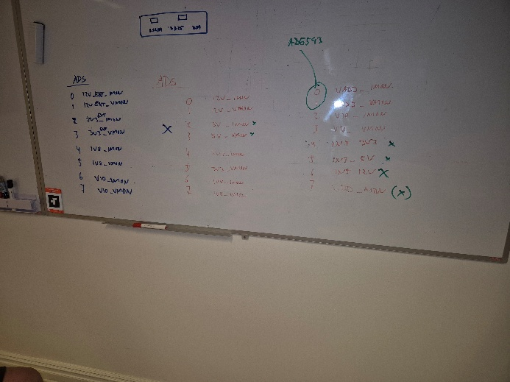 These are the rails to measure (overriding what is stated above). |  |  | A | Done
30
31
32
33
34
35
36
37
38
39
40
41
42
43
44
45
46
47
48
49
50
51
52
53
54
55
56
57
58
59
60
61
62
63
64
65
66
67
68
69
70
71
72
73
74
75
76
77
78
79
80
81
82
83
84
85
86
87
88
89
90
91
92
93
94
95
96
97
98
99
100
101
102
103
104
105
106
107
108
109
110
111
112
113
114
115
116
117
118
119
120
121
122
123
124
125
126
127
128
129
130
131
132
133
134
135
136
137
138
139
140
141
142
143
144
145
146
147
148
149
150
151
152
153
154
155
156
157
158
159
160
161
162
163
164
165
166
167
168
169
170
171
172
173
174
175
176
177
178
179
180
181
182
183
184
185
186
187
188
189
190
191
192
193
194
195
196
197
198
199
200
201
202
203
204
205
206
207
208
209
210
211
212
213
214
215
216
217
218
219
220
221
222
223
224
225
226
227
228
229
230
231
232
233
234
235
236
237
238
239
240
241
242
243
244
245
246
247
248
249
250
251
252
253
254
255
256
257
258
259
260
261
262
263
264
265
266
267
268
269
270
271
272
273
274
275
276
277
278
279
280
281
282
283
284
285
286
287
288
289
290
291
292
293
294
295
296
297
298
299
300
301
302
303
304
305
306
307
308
309
310
311
312
313
314
315
316
317
318
319
320
321
322
323
324
325
326
327
328
329
330
331
332
333
334
335
336
337
338
339
340
341
342
343
344
345
346
347
348
349
350
351
352
353
354
355
356
357
358
359
360
361
362
363
364
365
366
367
368
369
370
371
372
373
374
375
376
377
378
379
380
381
382
383
384
385
386
387
388
389
390
391
392
393
394
395
396
397
398
399
400
401
402
403
404
405
406
407
408
409
410
411
412
413
414
415
416
417
418
419
420
421
422
423
424
425
426
427
428
429
430
431
432
433
434
435
436
437
438
439
440
441
442
443
444
445
446
447
448
449
450
451
452
453
454
455
456
457
458
459
460
461
462
463
464
465
466
467
468
469
470
471
472
473
474
475
476
477
478
479
480
481
482
483 | x | x | x | x | x | x | x | x | x | x | x | x | x | x | x | x

